Calc
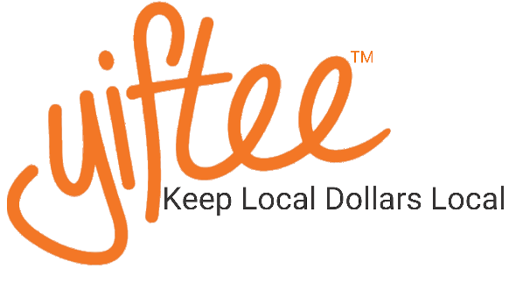
 |  | 
Corporate "Give Back" Program Calculator

Corporate Bulk Purchases over $500 can be processed through Yiftee, via ACH or check.
The eDelivery fee is reduced to $ .50 per card + 3% of the value.
Normal eDelivery fee is $1.00 + 5% of the value.

Corporate Total | $520
Card Value | $50
# of cards to be purchased | 10
eDelivery Fee per card | $2.00
Total cost per card | $52.00
Total eDelivery Fees | $20.00
Overall Savings from credit card purchase | $15.00
For ACH or check submission info, please email shop716@amherst.org

